charts
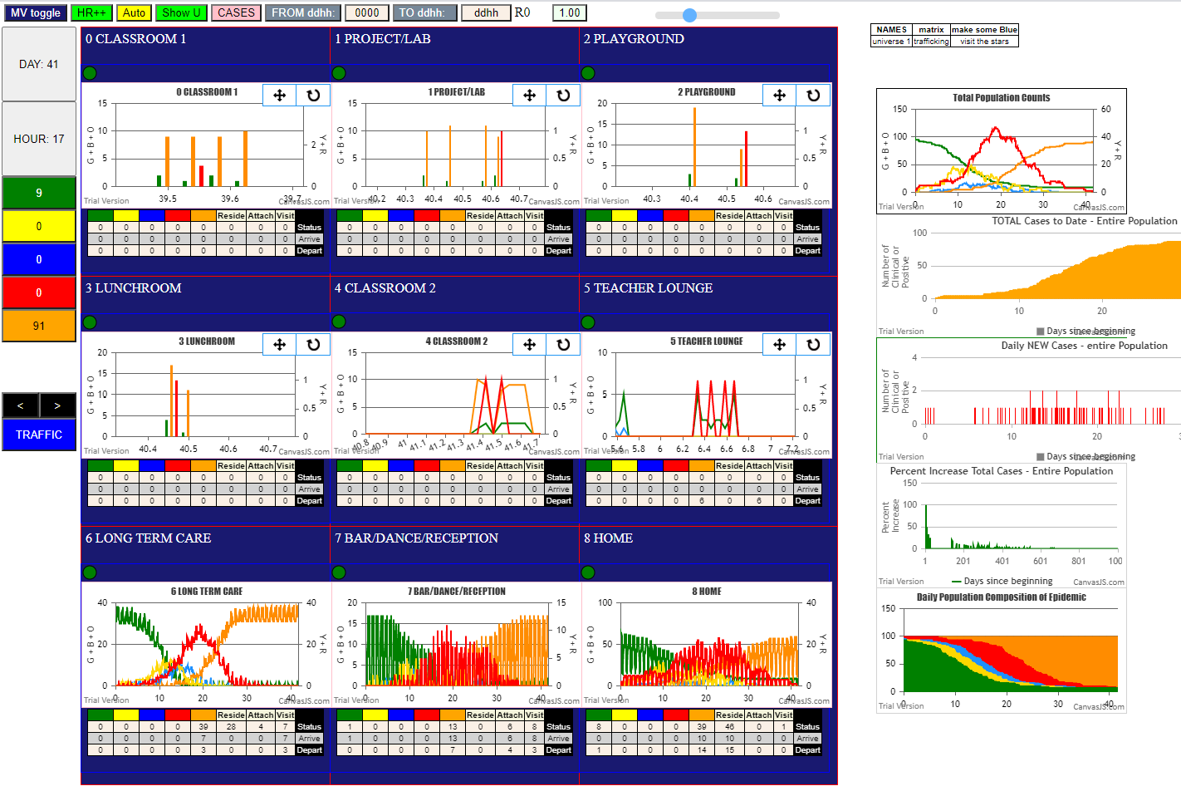

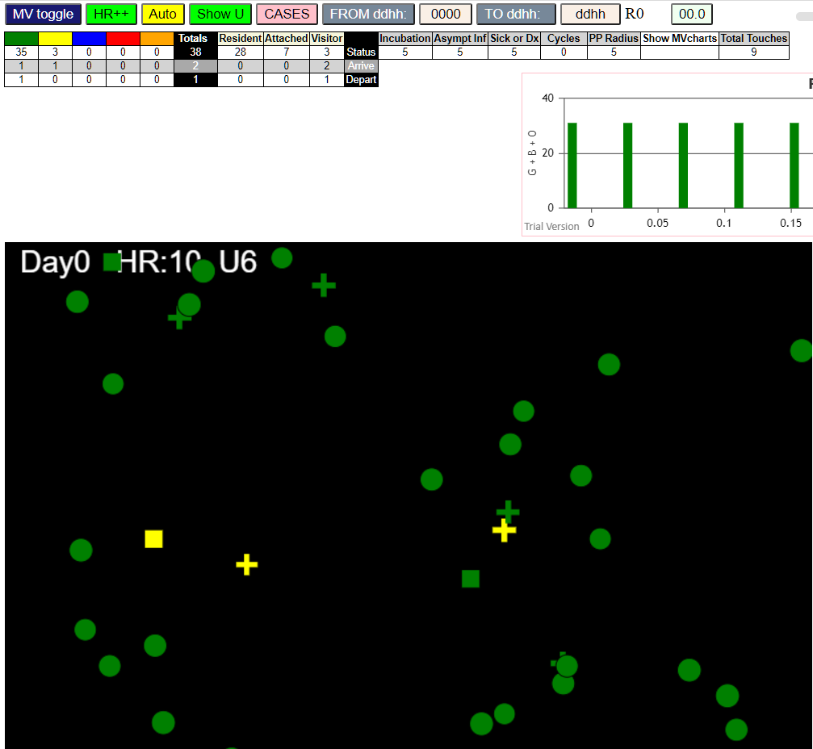

gen
Quartile 1 | 22 | 11 | 5 | 1 | 1 | 2 | 1 | 1
Quartile 2 | 22 | 18 | 1 |  | 1 | 1 |  | 1
Quartile 3 | 24 | 17 | 2 | 2 | 1 |  | 1 |  | 1
Quartile4 | 21 | 9 | 6 | 4 | 2
inf BY | gen | @U | F1 | F2 |  |  |  |  |  |  | gen | @U | counts
12 | 16 | 6 | -1 | F04 | Infected | GEN | Theta (Risk/HR) |  |  | 1 | 16 | 6 | 11
10 | 18 | 6 | F02 | F02 | 10% | 112 | 11.20 |  |  | 2 | 18 | 6 | 11
11 | 23 | 8 | F03 | F03 | 20% | 179 | 8.95 |  |  | 3 | 23 | 8 | 5
13 | 47 | 8 | F06 | F06 | 30% | 211 | 7.03 |  |  | 4 | 47 | 8 | 5
11 | 62 | 1 | F18 | F03 | 40% | 255 | 6.38 |  |  | 5 | 62 | 1 | 2
10 | 90 | 6 | -1 | F02 | 50% | 301 | 6.02 |  |  | 6 | 90 | 6 | 11
10 | 91 | 8 | F02 | F02 |  |  |  |  |  | 7 | 91 | 8 | 5
14 | 93 | 8 | F07 | F07 |  |  |  |  |  | 8 | 93 | 8 | 5
Infections in Universes by Quartiles
 | n | u6 | u8 | u3 | u7 | u1 | u4 | u2 | u0
Quartile 1 | 22 | 11 | 5 | 1 | 1 | 2 | 1 | 1
Quartile 2 | 22 | 18 | 1 |  | 1 | 1 |  | 1
Quartile 3 | 24 | 17 | 2 | 2 | 1 |  | 1 |  | 1
Quartile4 | 21 | 9 | 6 | 4 | 2
50 | 109 | 6 | -1 | F03 |  | Base popn | Inf @ Term | Inf % | Surv % | 9 | 109 | 6 | 11
12 | 112 | 6 | -1 | F04 | Students | 30 | 20 | 66.7% | 33.3% | 10 | 112 | 6 | 11
31 | 135 | 1 | F17 | F02 | Teachers | 6 | 6 | 100.0% | 0.0% | 11 | 135 | 1 | 2
75 | 148 | 6 | F16 | -1 | Spouses | 5 | 5 | 100.0% | 0.0% | 12 | 148 | 6 | 11
10 | 150 | 8 | F02 | F02 | Grandpnt | 7 | 4 | 57.1% | 42.9% | 13 | 150 | 8 | 5
75 | 154 | 6 | F14 | -1 | LTC staff | 14 | 14 | 100.0% | 0.0% | 14 | 154 | 6 | 11
31 | 164 | 7 | F08 | F02 | LTC resid | 28 | 28 | 100.0% | 0.0% | 15 | 164 | 7 | 1
75 | 164 | 6 | F13 | -1 | Bar staff | 10 | 9 | 90.0% | 10.0% | 16 | 164 | 6 | 11
50 | 175 | 6 | -1 | F03 |  | 100 | 86 |  |  | 17 | 175 | 6 | 11
12 | 178 | 2 | F06 | F04 | Initial Inf |  | 5 |  |  | 18 | 178 | 2 | 1
25 | 178 | 4 | F15 | F06 | Survivors |  | 9 |  |  | 19 | 178 | 4 | 1
75 | 179 | 6 | F09 | -1 | Total | 100 | 100 |  |  | 20 | 179 | 6 | 11
11 | 180 | 3 | F16 | F03 |  |  |  |  |  | 21 | 180 | 3 | 1 | elapsed gens | n | u6 | u8 | u3 | u7 | u1 | u4 | u2 | u0
50 | 182 | 6 | F02 | F03 |  |  |  |  |  | 22 | 182 | 6 | 11 | Quartile 1 | 22 | 11 | 5 | 1 | 1 | 2 | 1 | 1
73 | 182 | 6 | F10 | -1 |  |  |  |  |  | 23 | 182 | 6 | 18 | Quartile 2 | 22 | 18 | 1 |  | 1 | 1 |  | 1
75 | 185 | 6 | F06 | -1 |  |  |  |  |  | 24 | 185 | 6 | 18 | Quartile 3 | 24 | 17 | 2 | 2 | 1 |  | 1 |  | 1
75 | 201 | 6 | F06 | -1 | LTC staff | day shift | LS00-LS06 |  |  | 25 | 201 | 6 | 18 | Quartile4 | 21 | 9 | 6 | 4 | 2
73 | 202 | 6 | -1 | -1 |  | eve shift | LS07-LS10 |  |  | 26 | 202 | 6 | 18 | Total | 89 | 55 | 14 | 7 | 5 | 3 | 2 | 2 | 1
19 | 203 | 1 | F05 | F18 |  | night shift | LS11-LS13 |  |  | 27 | 203 | 1 | 1
75 | 206 | 6 | F01 | -1 |  |  |  |  |  | 28 | 206 | 6 | 18
4 | 211 | 8 | F07 | F07 |  |  |  |  |  | 29 | 211 | 8 | 1
80 | 211 | 6 | -1 | -1 |  |  |  |  |  | 30 | 211 | 6 | 18
75 | 214 | 6 | F12 | -1 |  |  |  |  |  | 31 | 214 | 6 | 18 |  |  |  |  |  |  | 3.8333333333 | 2.5454545455
50 | 227 | 6 | F07 | F03 |  |  |  |  |  | 32 | 227 | 6 | 18 |  |  |  |  |  |  | 2.3333333333
75 | 232 | 6 | F11 | -1 |  |  |  |  |  | 33 | 232 | 6 | 18
75 | 242 | 6 | F03 | -1 |  |  |  |  |  | 34 | 242 | 6 | 18
80 | 248 | 6 | -1 | -1 |  |  |  |  |  | 35 | 248 | 6 | 18
84 | 248 | 6 | -1 | -1 |  |  |  |  |  | 36 | 248 | 6 | 18
67 | 252 | 7 | F03 | F13 |  |  |  |  |  | 37 | 252 | 7 | 1
74 | 253 | 6 | -1 | -1 |  |  |  |  |  | 38 | 253 | 6 | 18
73 | 254 | 6 | F14 | -1 |  |  |  |  |  | 39 | 254 | 6 | 18
73 | 255 | 6 | -1 | -1 |  |  |  |  |  | 40 | 255 | 6 | 18
74 | 261 | 6 | F14 | -1 |  |  |  |  |  | 41 | 261 | 6 | 18
60 | 268 | 6 | -1 | F16 |  |  |  |  |  | 42 | 268 | 6 | 18
95 | 273 | 6 | F02 | F08 |  |  |  |  |  | 43 | 273 | 6 | 18
33 | 274 | 2 | F10 | F06 |  |  |  |  |  | 44 | 274 | 2 | 1
66 | 281 | 6 | F18 | F06 |  |  |  |  |  | 45 | 281 | 6 | 17
95 | 281 | 7 | F09 | F08 |  |  |  |  |  | 46 | 281 | 7 | 1
73 | 283 | 6 | F03 | -1 |  |  |  |  |  | 47 | 283 | 6 | 17
34 | 293 | 8 | F15 | F15 |  |  |  |  |  | 48 | 293 | 8 | 2
73 | 301 | 6 | F15 | -1 |  |  |  |  |  | 49 | 301 | 6 | 17
84 | 301 | 6 | F00 | -1 |  |  |  |  |  | 50 | 301 | 6 | 17
84 | 301 | 6 | F00 | -1 |  |  |  |  |  | 51 | 301 | 6 | 17
84 | 303 | 6 | -1 | -1 |  |  |  |  |  | 52 | 303 | 6 | 17
73 | 307 | 6 | -1 | -1 |  |  |  |  |  | 53 | 307 | 6 | 17
66 | 310 | 6 | F13 | F06 |  |  |  |  |  | 54 | 310 | 6 | 17
60 | 311 | 6 | F15 | F16 |  |  |  |  |  | 55 | 311 | 6 | 17
66 | 314 | 6 | F17 | F06 |  |  |  |  |  | 56 | 314 | 6 | 17
74 | 322 | 6 | -1 | -1 |  |  |  |  |  | 57 | 322 | 6 | 17
54 | 323 | 6 | -1 | F09 |  |  |  |  |  | 58 | 323 | 6 | 17
Infections within Universes by Time Line
 | Agent | @U
16 |  | 6
18 |  | 6
23 |  | 8
47 |  | 8
62 |  | 1
90 |  | 6
91 |  | 8
93 |  | 8
109 |  | 6
112 |  | 6
135 |  | 1
148 |  | 6
150 |  | 8
154 |  | 6
164 |  | 7
164 |  | 6
175 |  | 6
178 |  | 2
178 |  | 4
179 |  | 6
180 |  | 3
182 |  | 6
182 |  | 6
185 |  | 6
201 |  | 6
202 |  | 6
203 |  | 1
206 |  | 6
211 |  | 8
211 |  | 6
214 |  | 6
227 |  | 6
232 |  | 6
242 |  | 6
248 |  | 6
248 |  | 6
252 |  | 7
253 |  | 6
254 |  | 6
255 |  | 6
261 |  | 6
268 |  | 6
273 |  | 6
274 |  | 2
281 |  | 6
281 |  | 7
283 |  | 6
293 |  | 8
301 |  | 6
301 |  | 6
...
62 | 323 | 6 | F08 | F01 |  | Number | gen | Agent | @U | 59 | 323 | 6 | 17
79 | 332 | 6 | -1 | -1 | 2 | 1 | 16 | 75 | 6 | 60 | 332 | 6 | 17
29 | 346 | 4 | F01 | F17 |  | 2 | 18 | 31 | 6 | 61 | 346 | 4 | 1
68 | 349 | 6 | -1 | F14 |  | 3 | 23 | 50 | 8 | 62 | 349 | 6 | 17
65 | 353 | 6 | F01 | F03 |  | 4 | 47 | 25 | 8 | 63 | 353 | 6 | 17
4 | 366 | 8 | F07 | F07 |  | 5 | 62 | 19 | 1 | 64 | 366 | 8 | 2
4 | 371 | 3 | F06 | F07 |  | 6 | 90 | 73 | 6 | 65 | 371 | 3 | 2
4 | 371 | 3 | F18 | F07 |  | 7 | 91 | 41 | 8 | 66 | 371 | 3 | 2
69 | 372 | 6 | F16 | F14 |  | 8 | 93 | 4 | 8 | 67 | 372 | 6 | 17
34 | 396 | 0 | F05 | F15 |  | 9 | 109 | 74 | 6 | 68 | 396 | 0 | 1
69 | 396 | 6 | F13 | F14 |  | 10 | 112 | 80 | 6 | 69 | 396 | 6 | 9
83 | 396 | 6 | F12 | -1 |  | 11 | 135 | 29 | 1 | 70 | 396 | 6 | 9
81 | 397 | 6 | F10 | -1 |  | 12 | 148 | 60 | 6 | 71 | 397 | 6 | 9
69 | 399 | 6 | F14 | F14 |  | 13 | 150 | 22 | 8 | 72 | 399 | 6 | 9
87 | 418 | 6 | F04 | -1 |  | 14 | 154 | 40 | 6 | 73 | 418 | 6 | 9
36 | 419 | 7 | F05 | F10 |  | 15 | 164 | 95 | 7 | 74 | 419 | 7 | 2
56 | 425 | 6 | F09 | F12 |  | 16 | 164 | 67 | 6 | 75 | 425 | 6 | 9
57 | 426 | 6 | F00 | F13 |  | 17 | 175 | 84 | 6 | 76 | 426 | 6 | 9
53 | 437 | 8 | F08 | F08 |  | 18 | 178 | 33 | 2 | 77 | 437 | 8 | 6
52 | 451 | 7 | F10 | F07 |  | 19 | 178 | 34 | 4 | 78 | 451 | 7 | 2
83 | 494 | 6 | F11 | -1 |  | 20 | 179 | 54 | 6 | 79 | 494 | 6 | 9
21 | 524 | 8 | F01 | F01 |  | 21 | 180 | 16 | 3 | 80 | 524 | 8 | 6
46 | 527 | 8 | F10 | F10 |  | 22 | 182 | 63 | 6 | 81 | 527 | 8 | 6
5 | 539 | 3 | F00 | F08 |  | 23 | 182 | 36 | 6 | 82 | 539 | 3 | 4
78 | 545 | 6 | F09 | -1 |  | 24 | 185 | 66 | 6 | 83 | 545 | 6 | 9
61 | 546 | 8 | F17 | F17 |  | 25 | 201 | 51 | 6 | 84 | 546 | 8 | 6
5 | 643 | 8 | F08 | F08 |  |  |  |  |  | 85 | 643 | 8 | 6
9 | 646 | 8 | F17 | F17 |  |  |  |  |  | 86 | 646 | 8 | 6
6 | 683 | 3 | F03 | F09 |  |  |  |  |  | 87 | 683 | 3 | 4
6 | 683 | 3 | F03 | F09 |  |  |  |  |  | 88 | 683 | 3 | 4
9 | 683 | 3 | F03 | F17 |  |  |  |  |  | 89 | 683 | 3 | 4

U0
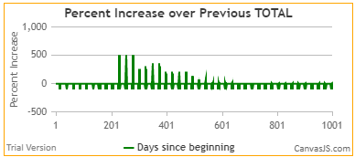

U1
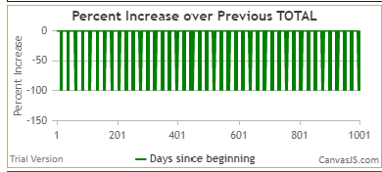

U7
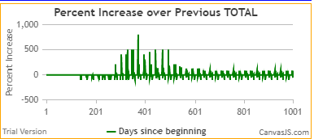

byVictim
infSeq | Victim | Vfam | Bstate | Biter | Bfam | gen | U |  |  |  | delta | theta.si | delta.all | theta |  | gen | cohort | gen
71I | 1 | F05 | red | 34 | F15 | 396 | 0 |  | 1 | 1 |  |  |  |  |  | 16 | 6 | 16
85I | 2 | F00 | blue | 5 | F08 | 539 | 3 |  | 2 | 2 |  |  |  |  |  | 18 | 2 | 18
68I | 3 | F06 | red | 4 | F07 | 371 | 3 |  | 3 | 3 |  |  |  |  |  | 23 | 5 | 23
12I | 4 | F07 | red | 14 | F07 | 93 | 8 |  | 4 | 4 |  |  |  |  |  | 47 | 1 | 47
80I | 5 | F08 | blue | 53 | F08 | 437 | 8 |  | 5 | 5 |  |  |  |  |  | 62 | 1 | 62
78I | 6 | F09 | red | 56 | F12 | 425 | 6 |  | 6 | 6 |  |  |  |  |  | 90 | 6 | 90
47I | 7 | F10 | blue | 33 | F06 | 274 | 2 |  | 7 | 7 |  |  |  |  |  | 91 | 4 | 91
Infections of Cohorts by Time Line
 | infected | cohort | cohort
16 |  |  | 6
18 |  |  | 2
23 |  |  | 5
47 |  |  | 1
62 |  |  | 1
90 |  |  | 6
91 |  |  | 4
93 |  |  | 1
109 |  |  | 6
112 |  |  | 6
135 |  |  | 1
148 |  |  | 5
150 |  |  | 1
154 |  |  | 3
164 |  |  | 6
164 |  |  | 7
175 |  |  | 6
178 |  |  | 2
178 |  |  | 2
179 |  |  | 5
180 |  |  | 1
182 |  |  | 3
182 |  |  | 6
185 |  |  | 6
201 |  |  | 5
202 |  |  | 6
203 |  |  | 2
206 |  |  | 6
211 |  |  | 1
211 |  |  | 6
214 |  |  | 5
227 |  |  | 5
232 |  |  | 5
242 |  |  | 6
248 |  |  | 6
248 |  |  | 6
252 |  |  | 7
253 |  |  | 6
254 |  |  | 6
255 |  |  | 6
261 |  |  | 6
268 |  |  | 6
273 |  |  | 5
274 |  |  | 1
281 |  |  | 6
281 |  |  | 7
283 |  |  | 6
293 |  |  | 4
301 |  |  | 5
301 |  |  | 5
...
86I | 9 | F17 | red | 61 | F17 | 546 | 8 |  | 8 | 8 | 453 | 56.63 |  |  |  | 93 | 1 | 93
33I | 15 | F07 | red | 4 | F07 | 211 | 8 |  | 9 | 1 |  |  |  |  |  | 109 | 6 | 109
24I | 16 | F16 | red | 11 | F03 | 180 | 3 |  | 10 | 2 |  |  |  |  |  | 112 | 6 | 112
89I | 18 | F17 | blue | 9 | F17 | 646 | 8 |  | 11 | 3 |  |  |  |  |  | 135 | 1 | 135
9I | 19 | F18 | red | 11 | F03 | 62 | 1 |  | 12 | 4 | 584 | 146.00 |  |  |  | 148 | 5 | 148
64I | 21 | F01 | red | 29 | F17 | 346 | 4 |  | 13 | 1 |  |  |  |  |  | 150 | 1 | 150
17I | 22 | F02 | red | 10 | F02 | 150 | 8 |  | 14 | 2 |  |  |  |  |  | 154 | 3 | 154
90I | 23 | F03 | red | 6 | F09 | 683 | 3 |  | 15 | 3 |  |  |  |  |  | 164 | 6 | 164
90I | 23 | F03 | red | 9 | F17 | 683 | 3 |  | 16 | 4 |  |  |  |  |  | 164 | 7 | 164
90I | 23 | F03 | red | 6 | F09 | 683 | 3 |  | 17 | 5 |  |  |  |  |  | 175 | 6 | 175
8I | 25 | F06 | red | 13 | F06 | 47 | 8 |  | 18 | 6 |  |  |  |  |  | 178 | 2 | 178
88I | 26 | F08 | red | 5 | F08 | 643 | 8 |  | 19 | 7 |  |  |  |  |  | 178 | 2 | 178
86I | 27 | F09 | red | 78 | -1 | 545 | 6 |  | 20 | 8 |  |  |  |  |  | 179 | 5 | 179
84I | 28 | F10 | red | 46 | F10 | 527 | 8 |  | 21 | 9 |  |  |  |  |  | 180 | 1 | 180
15I | 29 | F17 | blue | 31 | F02 | 135 | 1 | students | 22 | 10 | 636 | 63.60 | 636 | 28.91 | 8 | 182 | 3 | 182
66I | 30 | F01 | blue | 65 | F03 | 353 | 6 |  |  | 1 |  |  |  |  |  | 182 | 6 | 182
6I | 31 | F02 | blue | 10 | F02 | 18 | 6 |  |  | 2 |  |  |  |  |  | 185 | 6 | 185
30I | 32 | F05 | red | 19 | F18 | 203 | 1 |  |  | 3 |  |  |  |  |  | 201 | 5 | 201
22I | 33 | F06 | red | 12 | F04 | 178 | 2 |  |  | 4 |  |  |  |  |  | 202 | 6 | 202
22I | 34 | F15 | red | 25 | F06 | 178 | 4 |  |  | 5 |  |  |  |  |  | 203 | 2 | 203
68I | 35 | F18 | red | 4 | F07 | 371 | 3 | 2s |  | 6 | 353 | 58.83 |  |  |  | 206 | 6 | 206
26I | 36 | F10 | blue | 73 | -1 | 182 | 6 |  |  | 1 |  |  |  |  |  | 211 | 1 | 211
82I | 37 | F11 | red | 83 | -1 | 494 | 6 |  |  | 2 |  |  |  |  |  | 211 | 6 | 211
71I | 38 | F12 | red | 83 | -1 | 396 | 6 |  |  | 3 |  |  |  |  |  | 214 | 5 | 214
71I | 39 | F13 | red | 69 | F14 | 396 | 6 |  |  | 4 |  |  |  |  |  | 227 | 5 | 227
18I | 40 | F14 | red | 75 | -1 | 154 | 6 | spouses |  | 5 | 214 | 42.80 |  |  |  | 232 | 5 | 232
10I | 41 | F02 | red | 10 | F02 | 91 | 8 |  |  |  |  |  |  |  |  | 242 | 6 | 242
76I | 43 | F04 | red | 87 | -1 | 418 | 6 |  |  |  |  |  |  |  |  | 248 | 6 | 248
71I | 46 | F10 | red | 81 | -1 | 397 | 6 |  |  |  |  |  |  |  |  | 248 | 6 | 248
52I | 47 | F15 | blue | 34 | F15 | 293 | 8 | grandp |  | 4 | 327 | 81.75 |  |  |  | 252 | 7 | 252
53I | 48 | F00 | red | 84 | -1 | 301 | 6 |  |  | 1 |  |  |  |  |  | 253 | 6 | 253
53I | 48 | F00 | red | 84 | -1 | 301 | 6 |  |  | 2 |  |  |  |  |  | 254 | 6 | 254
47I | 49 | F02 | blue | 95 | F08 | 273 | 6 |  |  | 3 |  |  |  |  |  | 255 | 6 | 255
7I | 50 | F03 | red | 11 | F03 | 23 | 8 |  |  | 4 |  |  |  |  |  | 261 | 6 | 261
29I | 51 | F06 | red | 75 | -1 | 201 | 6 |  |  | 5 |  |  |  |  |  | 268 | 6 | 268
36I | 52 | F07 | red | 50 | F03 | 227 | 6 |  |  | 6 |  |  |  |  |  | 273 | 5 | 273
60I | 53 | F08 | blue | 62 | F01 | 323 | 6 |  |  | 7 |  |  |  |  |  | 274 | 1 | 274
22I | 54 | F09 | red | 75 | -1 | 179 | 6 |  |  | 8 |  |  |  |  |  | 281 | 6 | 281
37I | 55 | F11 | red | 75 | -1 | 232 | 6 |  |  | 9 |  |  |  |  |  | 281 | 7 | 281
35I | 56 | F12 | red | 75 | -1 | 214 | 6 |  |  | 10 |  |  |  |  |  | 283 | 6 | 283
57I | 57 | F13 | red | 66 | F06 | 310 | 6 |  |  | 11 |  |  |  |  |  | 293 | 4 | 293
75I | 58 | F14 | red | 69 | F14 | 399 | 6 |  |  | 12 |  |  |  |  |  | 301 | 5 | 301
57I | 59 | F15 | red | 60 | F16 | 311 | 6 |  |  | 13 |  |  |  |  |  | 301 | 5 | 301
16I | 60 | F16 | red | 75 | -1 | 148 | 6 |  |  | 14 |  |  |  |  |  | 301 | 6 | 301
59I | 61 | F17 | red | 66 | F06 | 314 | 6 | ltc staff |  | 15 | 376 | 25.07 |  |  |  | 303 | 6 | 303
32I | 62 | F01 | red | 75 | -1 | 206 | 6 |  |  | 1 |  |  |  |  |  | 307 | 6 | 307
26I | 63 | F02 | red | 50 | F03 | 182 | 6 |  |  | 2 |  |  |  |  |  | 310 | 5 | 310
51I | 64 | F03 | red | 73 | -1 | 283 | 6 |  |  | 3 |  |  |  |  |  | 311 | 5 | 311
38I | 65 | F03 | red | 75 | -1 | 242 | 6 |  |  | 4 |  |  |  |  |  | 314 | 5 | 314
28I | 66 | F06 | red | 75 | -1 | 185 | 6 |  |  | 5 |  |  |  |  |  | 322 | 6 | 322
19I | 67 | F13 | red | 75 | -1 | 164 | 6 |  |  | 6 |  |  |  |  |  | 323 | 5 | 323
42I | 68 | F14 | red | 73 | -1 | 254 | 6 |  |  | 7 |  |  |  |  |  | 323 | 6 | 323
45I | 69 | F14 | red | 74 | -1 | 261 | 6 |  |  | 8 |  |  |  |  |  | 332 | 6 | 332
53I | 70 | F15 | red | 73 | -1 | 301 | 6 |  |  | 9 |  |  |  |  |  | 346 | 1 | 346
49I | 71 | F18 | blue | 66 | F06 | 281 | 6 |  |  | 10 |  |  |  |  |  | 349 | 6 | 349
63I | 72 | -1 | red | 79 | -1 | 332 | 6 |  |  | 11 |  |  |  |  |  | 353 | 2 | 353
10I | 73 | -1 | red | 10 | F02 | 90 | 6 |  |  | 12 |  |  |  |  |  | 366 | 7 | 366
13I | 74 | -1 | blue | 50 | F03 | 109 | 6 |  |  | 13 |  |  |  |  |  | 371 | 1 | 371
5I | 75 | -1 | red | 12 | F04 | 16 | 6 |  |  | 14 |  |  |  |  |  | 371 | 2 | 371
60I | 76 | -1 | red | 54 | F09 | 323 | 6 |  |  | 15 |  |  |  |  |  | 372 | 7 | 372
39I | 77 | -1 | blue | 84 | -1 | 248 | 6 |  |  | 16 |  |  |  |  |  | 396 | 1 | 396
56I | 78 | -1 | red | 73 | -1 | 307 | 6 |  |  | 17 |  |  |  |  |  | 396 | 3 | 396
29I | 79 | -1 | blue | 73 | -1 | 202 | 6 |  |  | 18 |  |  |  |  |  | 396 | 3 | 396
14I | 80 | -1 | red | 12 | F04 | 112 | 6 |  |  | 19 |  |  |  |  |  | 397 | 4 | 397
43I | 81 | -1 | red | 73 | -1 | 255 | 6 |  |  | 20 |  |  |  |  |  | 399 | 5 | 399
60I | 82 | -1 | red | 74 | -1 | 322 | 6 |  |  | 21 |  |  |  |  |  | 418 | 4 | 418
41I | 83 | -1 | red | 74 | -1 | 253 | 6 |  |  | 22 |  |  |  |  |  | 419 | 7 | 419
21I | 84 | -1 | red | 50 | F03 | 175 | 6 |  |  | 23 |  |  |  |  |  | 425 | 1 | 425
55I | 85 | -1 | red | 84 | -1 | 303 | 6 |  |  | 24 |  |  |  |  |  | 426 | 7 | 426
46I | 86 | -1 | blue | 60 | F16 | 268 | 6 |  |  | 25 |  |  |  |  |  | 437 | 1 | 437
39I | 87 | -1 | red | 80 | -1 | 248 | 6 |  |  | 26 |  |  |  |  |  | 451 | 7 | 451
33I | 88 | -1 | blue | 80 | -1 | 211 | 6 |  |  | 27 |  |  |  |  |  | 494 | 3 | 494
65I | 89 | -1 | blue | 68 | F14 | 349 | 6 | ltc res |  | 28 | 333 | 11.89 |  |  |  | 524 | 7 | 524
78I | 90 | F00 | blue | 57 | F13 | 426 | 6 |  |  | 1 |  |  |  |  |  | 527 | 1 | 527
83I | 91 | F01 | red | 21 | F01 | 524 | 8 |  |  | 2 |  |  |  |  |  | 539 | 1 | 539
41I | 92 | F03 | blue | 67 | F13 | 252 | 7 |  |  | 3 |  |  |  |  |  | 545 | 1 | 545
76I | 93 | F05 | red | 36 | F10 | 419 | 7 |  |  | 4 |  |  |  |  |  | 546 | 1 | 546
67I | 94 | F07 | red | 4 | F07 | 366 | 8 |  |  | 5 |  |  |  |  |  | 643 | 1 | 643
19I | 95 | F08 | red | 31 | F02 | 164 | 7 |  |  | 6 |  |  |  |  |  | 646 | 1 | 646
49I | 96 | F09 | blue | 95 | F08 | 281 | 7 |  |  | 7 |  |  |  |  |  | 683 | 1 | 683
81I | 97 | F10 | red | 52 | F07 | 451 | 7 |  |  | 8 |  |  |  |  |  | 683 | 1 | 683
68I | 98 | F16 | blue | 69 | F14 | 372 | 6 | bar |  | 9 | 360 | 40.00 |  |  |  | 683 | 1 | 683

 |  |  |  |  | theta
 |  |  |  | LTC res | 11.89
 |  |  |  | LTC staff | 25.07
 |  |  |  | students | 28.91
 |  |  |  | bar staff | 40.00
 |  |  |  | spouses | 42.80 |  | Infected | I-fam | T-state | Transmitter | T-fam | gen | U | gen-delta | Theta
 |  |  |  | 2s | 58.83 |  | 90 | F00 | blue | 57 | F13 | 426 | 6
 |  |  |  | grandparents | 81.75 |  | 91 | F01 | red | 21 | F01 | 524 | 8
 |  |  |  |  |  |  | 92 | F03 | blue | 67 | F13 | 252 | 7
 |  |  |  |  | theta |  | 93 | F05 | red | 36 | F10 | 419 | 7
 |  |  |  | studentA | 56.63 |  | 94 | F07 | red | 4 | F07 | 366 | 8
 |  |  |  | studentB | 146.00 |  | 95 | F08 | red | 31 | F02 | 164 | 7
 |  |  |  | studentC | 63.60 |  | 96 | F09 | blue | 95 | F08 | 281 | 7
 |  |  |  |  |  |  | 97 | F10 | red | 52 | F07 | 451 | 7
 |  |  |  |  |  |  | 98 | F16 | blue | 69 | F14 | 372 | 6 | 360 | 40.00

